Component Properties Mapping
FIGMA DATA |  |  |  | REACT FRONTEND DATA
Component in Figma | Property Name | Property Value | Figma Shape | Component in React | Property Name | Property Value | React Shape
TEXT | type | TEXT |  | Paragraph | - | -
 | characters | This is a sample paragraph text |  |  | - | -
 | fontFamily | Inter |  |  | fontFamily | Inter', sans-serif
 | fontWeight | 400 (Regular) |  |  | fontWeight | 400
 | fontSize | 16 |  |  | fontSize | 16px
 | textAlignHorizontal | LEFT |  |  | textAlign | left
 | textAlignVertical | TOP |  |  | verticalAlign | top
 | color (hex) | #333333 |  |  | color | #333333
 | absoluteBoundingBox |  |  |  | position | absolute
 | x | 100 |  |  | left | 100px
 | y | 200 |  |  | top | 200px
 | width | 300 |  |  | width | 300px
 | height | 24 |  |  | height | 24px
TEXT (Heading) | type | TEXT |  | Heading | - | -
 | characters | "Section Heading" |  |  | - | -
 | fontFamily | Inter |  |  | fontFamily | Inter', sans-serif
 | fontWeight | 600 (Semi Bold) |  |  | fontWeight | 600
 | fontSize | 48 |  |  | fontSize | 48px
 | textAlignHorizontal | LEFT |  |  | textAlign | left
 | textAlignVertical | TOP |  |  | verticalAlign | top
 | color (hex) | #000000 |  |  | color | #000000
RECTANGLE (clickable) | type | RECTANGLE |  | Button | - | -
 | cornerRadius | 8 |  |  | borderRadius | 8px
 | fills | #008cff |  |  | backgroundColor | #008cff
 | strokes | #666666 |  |  | borderColor | #666666
 | fontSize | 17 |  |  | fontSize | 17px
 | fontColor | #ffffff |  |  | color | #ffffff
 | textAlignHorizontal | CENTER |  |  | textAlign | center
 | onClick | present |  |  | - | Bound as onClick={}
 | children | TEXT node with characters: "Register" |  |  |  | Rendered as inner label content
RECTANGLE (non-clickable) | type | RECTANGLE |  | Div | - | -
 | fills | #e1b6b6 |  |  | backgroundColor | #e1b6b6
 | cornerRadius | 4 |  |  | borderRadius | 4px
 | strokes | none |  |  | - | -
 | layoutAlign | STRETCH |  |  | width | 100%
IMAGE | type | IMAGE / FRAME with imageRef |  | Image | - | - | 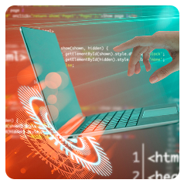
 | imageRef | hash / URL |  |  | src | image URL
 | fills.scaleMode | FILL |  |  | objectFit | cover or fill
 | cornerRadius | 8 |  |  | borderRadius | 8px
INPUT (text) | type | TEXT |  | Input | - | -
 | characters | "First Name" (as label) |  |  | - | placeholder="First Name"
 | strokeColor | #666666 |  |  | borderColor | #666666
 | fillColor | #ffffff |  |  | backgroundColor | #ffffff
 | fontSize | 17 |  |  | fontSize | 17px
 | textAlignHorizontal | LEFT |  |  | textAlign | left
 | children | TEXT node ("First Name") |  |  | - | Used as <label>
COMBOBOX | type | FRAME / INSTANCE |  | Select | - | -
 | characters | "Marital Status" |  |  | - | Label / first option
 | fillColor | #FFFFFF |  |  | backgroundColor | #FFFFFF
 | strokeColor | #999999 |  |  | borderColor | #999999
 | fontSize | 17 |  |  | fontSize | 17px
 | textAlignHorizontal | LEFT |  |  | textAlign | left
 | children | TEXT node ("Marital Status") |  |  | - | Used as <option>
RADIO | type | VECTOR / ELLIPSE |  | Radio | - | -
 | fillColor | #eeeeee |  |  | backgroundColor | #eeeeee
 | strokeColor | #999999 |  |  | borderColor | #999999
 | fontSize | 17 |  |  | fontSize | 17px
 | labelPosition | RIGHT |  |  | marginLeft | 4px
 | children | TEXT node ("Male") |  |  | - | Used as <label>
GROUP / FRAME | type | FRAME / GROUP | It has not visible shape and can be used to group other elements | Div | - | - | It has not visible shape and can be used to group other elements
 | layoutMode | VERTICAL |  |  | display | flex
 |  |  |  |  | flexDirection | column
 | itemSpacing | 12 |  |  | gap | 12px
 | clipsContent | FALSE |  |  | overflow | visible

Figma JSON Data Extraction from
Component | Property Name | Property Value
Section Heading | type | TEXT
 | characters | Section heading
 | fontFamily | Inter
 | fontWeight | 600 (Semi Bold)
 | fontSize | 48
 | textAlignHorizontal | LEFT
 | textAlignVertical | TOP
 | color (hex) | #000000
 | absoluteBoundingBox | x: -2256, y: -692, width: 624, height: 58
Subheading | type | TEXT
 | characters | Subheading
 | fontFamily | Inter
 | fontWeight | 500 (Medium)
 | fontSize | 24
 | textAlignHorizontal | LEFT
 | textAlignVertical | TOP
 | color (hex) | #000000
 | absoluteBoundingBox | x: -2255, y: -187, width: 381, height: 36
Body Text | type | TEXT
 | characters | Body text for whatever..
 | fontFamily | Inter
 | fontWeight | 400 (Regular)
 | fontSize | 24
 | textAlignHorizontal | LEFT
 | textAlignVertical | CENTER
 | color (hex) | #828282 (from RGB 130,130,130)
 | absoluteBoundingBox | x: -2255, y: -147, width: 381, height: 72
Image | type | FRAME
 | imageRef | 1d34ee6c09122fae6efd0d4e90e51c10a7368a95
 | cornerRadius | 8
 | fills.type | IMAGE
 | fills.scaleMode | FILL
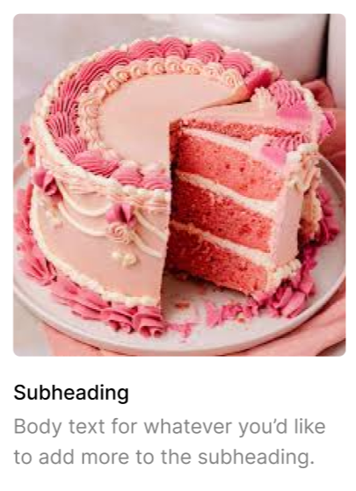
 | absoluteBoundingBox | x: -2255, y: -616, width: 393, height: 405
Card Wrapper | type | FRAME
 | layoutMode | VERTICAL
 | itemSpacing | 24
 | width / height | 393 × 541
 | position | x: -2255, y: -616
 | backgroundColor | Transparent
 | layoutGrow | 1
 | clipsContent | FALSE

